Seismic Parameters
 |  |  |  |  |  | 657/667 Mission Street
 |  |  |  |  |  | Project:
 |  |  |  |  |  | By: | RK | Date: | 2021.02.17
Mechanical Equipment Anchorage

Ωo
0.2S_{DS}W_{p}
 | Seismic Demand on Non-structural Components |  |  |  |  | Overturning Calculations - (LRFD Procedure)
 | ref: CBC, ASCE7
 |  |  |  |  |  | MOT = Ω0Fp*Hcg
H
F_{p}
W_{p}, equipment
weight
 | Site Class: | D |  |  |  | MR = (0.9-0.2SDS)Wp*D/2
 | Ss = | 1.318 | g
0.9W_{p}
H_{cg}
 | Fa = | 1.200 | ASCE7 Table 11.4-1
 | SMS = | 1.582 | g = Fa Ss
 | SDS = | 1.054 | g = 2/3 SMS
 | IP = | 1.5 | importance factor (ASCE7 13.1.3)

T
D, distance
btwn anchors
 | Equation ASCE7 13.3-1
 |  |  |  |  | Legend
 | Fp =
 |  |  |  |  |  | Equipment > 400 lb base mount that needs to conform to ASCE 7 Chapter 13

 | Equation ASCE7 13.3-2, upper bound |  |  |  |  | Equipment < 400 lb for base mount with c.g.c > 4 ft above floor, or > 20 lb with c.g.c > 4 ft above floor, that needs to conform to ASCE 7 Chapter 13
 | Fp = 1.6 SDS Ip Wp = |  | 2.53 | Wp
 | Equation ASCE7 13.3-3, lower bound |  |  |  |  | Equipment < 400 lb for base mount with c.g.c < 4 ft above floor, or < 20 lb with c.g.c > 4ft above floor, are exempt per CBC 1616.10.15
 | Fp = 0.3 SDS Ip Wp = |  | 0.47 | Wp
 | Seismic Vertical Force
 | Fpv = 0.2 SDS = |  | 0.21

preview_images
Mounting Location | Preview image
wall | 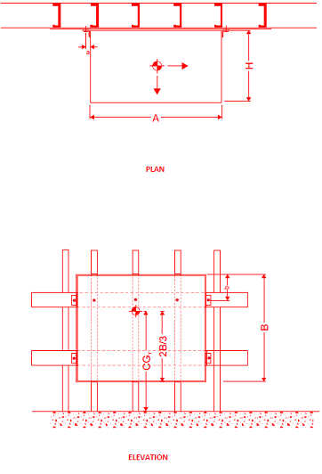
floor | 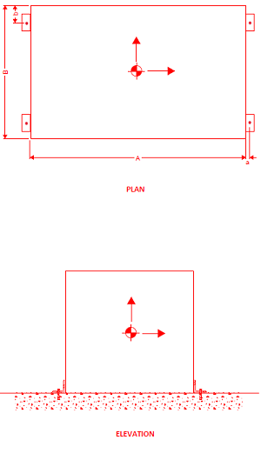
wall,floor | 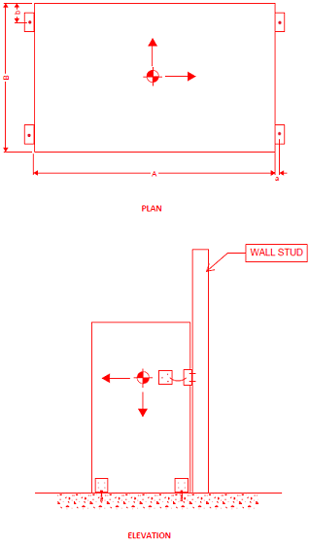
ceiling | 